Resolv4K Selection Tool
Select options A through F within the Resolv Selection Wizard on left. System information will change accordingly in the Size and Specifications tables.

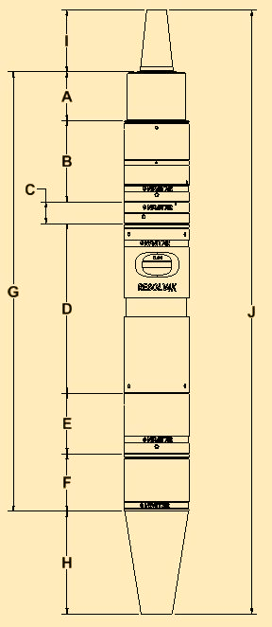
 | Resolv Selection Wizard | System Size
 | SELECT CAMERA MOUNT | A | Mount Length | 9.5 | mm
 |  | B | Rear Adapter Length | 62.5 | mm
 | A | C | Interface 1 Length | 0.0 | mm
 | SELECT RAER ADAPTER (Sensor Size) | D | Zoom Length | 130.3 | mm
 |  | E | Interface 2 Length | 46.5 | mm
 | B | F | Lens Attachment Length | 44.3 | mm
 | SELECT UPPER INTERFACE (Optional) | G | Total Length of Lens | 293.1 | mm
 |  | H | Object Distance (WD) | 90 | mm
 | C | I | Image Distance | 45.5 | mm
 | SELECT CORE (Zoom/Fixed) | J | Total System Length | 428.6 | mm

 | D | System Specifications
 | SELECT LOWER INTERFACE (Required) | Pixel Resolution (µm) |  | Low | 3.26
 |  |  |  | High | 7.95
 | E | Magnification |  | Low | 0.64
 | SELECT LENS ATTACHMENT |  |  | High | 4.5
 |  | FOV (mm) |  | Low | 25.00
 | F |  |  | High | 3.56
 |  | NA |  | Low | 0.033
 |  |  |  | High | 0.095
 |  | Resolve Limit (µm) |  | Low | 10.21
 |  |  |  | High | 3.53
 |  | Depth of Field (mm) |  | Low | 0.46
 |  |  |  | High | 0.055

